Sheet1
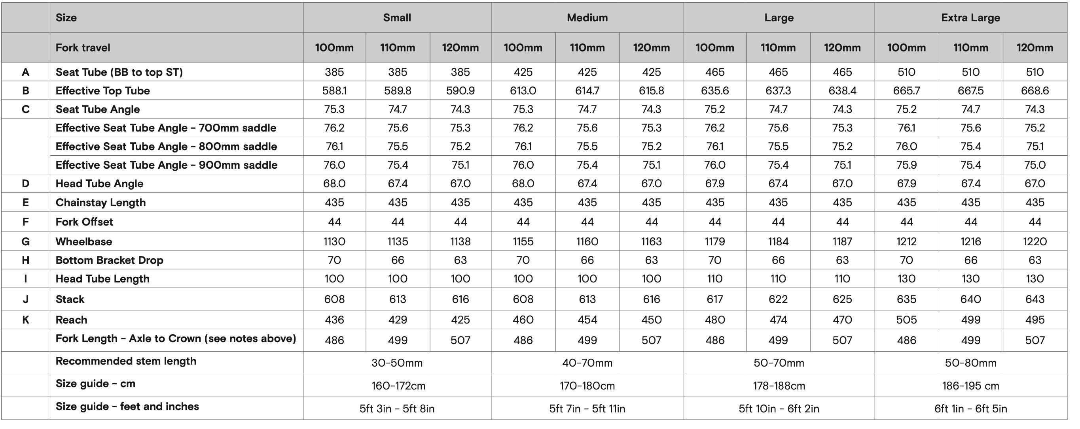
Fairlight Holt | https://fairlightcycles.com/wp-content/uploads/2025/08/Holt-2.0-Geometry.pdf?v=0b3b97fa6688
Travel | 100 |  |  | 120 | 120 | 120 | 120
Analysis assuming ETT is at stack | S |  |  | S | M | L | XL
Reach | 436 | Reach | 436 | 425 | 450 | 470 | 495
Stack | 608 | Stack | 608 | 616 | 616 | 625 | 643
ETT at stack | 588.1 | ETT at stack | 588.1 | 590.9 | 615.8 | 638.4 | 668.6
STA | 75.3 | STA | 75.3 | 74.3 | 74.3 | 74.3 | 74.3
layback at stack | 152.1 | layback at stack | 152.1 | 165.9 | 165.8 | 168.4 | 173.6
ESTA at stack | 75.95488756 | ESTA at stack | 75.95488756 | 74.926842068 | 74.935514666 | 74.920334614 | 74.891255405
ESPL at stack | 626.73631616 | ESPL at stack | 626.73631616 | 637.94890861 | 637.9229107 | 647.28939432 | 666.02249211
saddle thickness | 0 | saddle thickness | 0 | 0 | 0 | 0 | 0
saddle height | 626.73631616 | saddle height | 626.73631616 | 637.94890861 | 637.9229107 | 647.28939432 | 666.02249211

calc layback at stack using STA | 159.50581405 | calc layback at stack using STA | 159.50581405 | 173.14979103 | 173.14979103 | 175.67957694 | 180.73914875
calc layback at stack using ESTA | 152.1 | calc layback at stack using ESTA | 152.1 | 7.2497910311 | 7.3497910311 | 7.279576939 | 7.1391487549
calc layback - actual layback at stack | 7.4058140466 | calc layback - actual layback at stack | 7.4058140466 | 598.14979103 | 623.14979103 | 645.67957694 | 675.73914875
ETT using STA and stack | 595.50581405 | ETT using STA and stack | 595.50581405 | 590.9 | 615.8 | 638.4 | 668.6
ETT using ESTA at stack and stack | 588.1 | ETT using ESTA at stack and stack | 588.1
 |  | diff | 7.4058140466 | 700 | 700 | 700 | 700
expected saddle height | 697.61 |  |  | 62.051091387 | 62.077089297 | 52.710605679 | 33.977507887
Added .v to saddle height | 70.873683835 | New Actual SPL | 701.84 | 678.05109139 | 678.0770893 | 677.71060568 | 676.97750789
seat.v at saddle height | 678.87368384 | seat.v | 678.86719961 | 190.5915662 | 190.59887389 | 190.49585999 | 190.28979549
layback using STA | 178.09917693 | seat.h + xtra layback | 178.09747583 | 183.34177517 | 183.24908286 | 183.21628305 | 183.15064674
actual layback at saddle height | 170.69336289 | seat.h | 170.69166178 | 615.5915662 | 640.59887389 | 660.49585999 | 685.28979549
calc ETT at saddle height | 606.69336289 | Effective SPL at saddle height | 699.99737007 | 74.869321064 | 74.877173512 | 74.871954531 | 74.861500499
ESTA at saddle height | 75.886339508 | ESTA at saddle height (spec) | 75.886345123 | 702.40123082 | 702.40213937 | 702.03979333 | 701.31498315
ESPL at saddle height | 700.00407337 | computed layback using seat v | 170.69166178 | 702.40123082 | 702.40213937 | 702.03979333 | 701.31498315
saddle height | 700.00407337 | spec ETT (using seat.v) | 606.69166178 | 591.56345656 | 616.47286396 | 638.96618696 | 668.95831395
ETT using ESTA and stack | 588.87315904 | ETT using stack and spec ESTA | 588.87309568
 |  | diff | -17.818566096 | 800 | 800 | 800 | 800
expected saddle height | 800 | ETT using stack and actual ESTA at stack | 588.1 | 121.94890861 | 121.9229107 | 122.28939432 | 123.02249211
Added .v to saddle height | 121.12631616 | diff ETT spec - actual ESTA | 0.77309568441 | 737.94890861 | 737.9229107 | 747.28939432 | 766.02249211
seat.v at saddle height | 729.12631616 |  |  | 207.42808331 | 207.42077563 | 210.05357543 | 215.31921174
layback using STA | 191.28270823 |  |  | 200.17829228 | 200.07098459 | 202.77399849 | 208.18006299
actual layback at saddle height | 183.87689418 |  |  | 632.42808331 | 657.42077563 | 680.05357543 | 710.31921174
calc ETT at saddle height | 627.28270823 |  |  | 74.822994546 | 74.830245555 | 74.818568442 | 74.796074459
ESTA at saddle height | 75.845829527 |  |  | 764.6175125 | 764.56433413 | 774.31178044 | 793.80690161
ESPL at saddle height | 751.95471748 |  |  | 764.6175125 | 764.56433413 | 774.31178044 | 793.80690161
saddle height | 751.95471748 |  |  | 592.09805598 | 617.01436522 | 639.59125878 | 669.74654058
ETT using ESTA and stack | 589.33029296

